KPIs vs Industry
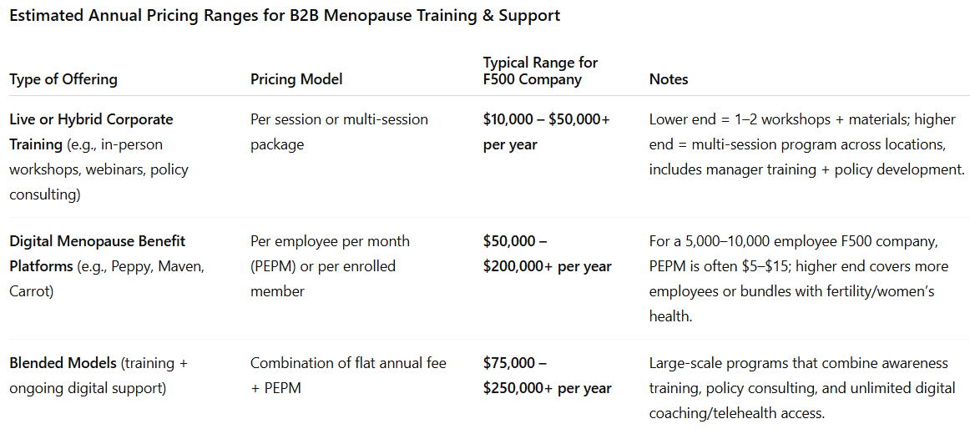
KPIs vs Industry
Figures in Actuals

# | Metric | Industry | Our Model | Source | Low | High
1 | B2B Pricing | $10,000-250,000/yr | $2,500-10,000 / yr | See Below | $2,500 | $25,000
2 | DTC Pricing | $111.76 | $49.00 | https://www.menopausehubacademy.com/shop/menopause-training-for-hr
3 | CTR (Click Through Rate) | 1-2% | 1.00% | https://ondigitalmarketing.com/good-ctr-for-facebook-ads/
4 | CPM (Cost per Thousand Impressions) | $14.00 | $50.00 | https://lineardesign.com/blog/facebook-ad-statistics/
5 | B2B Customer Retention | 76-81% | 66% | https://www.soocial.com/b2b-customer-retention-statistics/
6 | Blended Ad and BD B2B CAC (Cost to Acquire a Customer) | $410 | $2,406 | https://userpilot.com/blog/average-customer-acquisition-cost/

Conclusion: the primary revenue and cost drivers of our model are conservative compared to industry averages

Chat GPT5 Deep Research 8/14/25
Estimated ranges are based on published provider rates for corporate menopause workshops (Menopause Solutions at Work), HR industry benchmarks for digital benefits pricing ($5–$15 PEPM for large employers),
and public case studies of enterprise implementations by providers such as Peppy, Maven Clinic, Carrot Fertility, and Progyny.

